Scope and coverage
Known published data on coral growth and density from sites within the Eastern Tropical Pacific biogeographic realm (after Spalding et al. 2007) are included in this file.

Realms are indicated in boldface, provinces in italics, and ecoregions in roman type
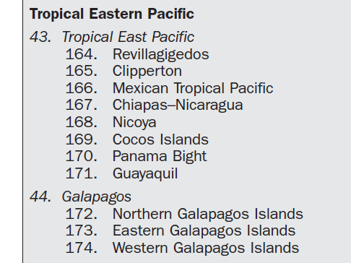

Mark D. Spalding et al. (2007) Marine Ecoregions of the World: A Bioregionalization of Coastal and Shelf Areas, BioScience, Volume 57, Issue 7, July 2007, Pages 573–583, https://doi.org/10.1641/B570707

