Guidance notes
Management of Outcomes – completing an operational risk assessment <<Guidance Note>>

Whether you are undertaking a research project on your own or the organiser of an event such as a fieldtrip or similar group activity, you will have overall responsibility for the success of the project/event. The following approach has been developed to assist you in meeting your responsibilities following a straightforward system that is not time consuming.

Step 1
Desired outcomes - The starting point is simply in stating the desired outcome(s) that you want to achieve. Doing this makes the other steps easier to complete.

Step 2
Identify the key areas of concern - The purpose of this stage is to start to focus the mind. The key areas of concern have already been identified for you as:

Area of concern | Example
Compliance with laws, regulations, contracts , policies and procedures | Trespass - contravention may result in fines, conviction for an offence or disciplinary action
Financial | Unforeseen costs could affect the ability to complete the activity
Reputation | Injury to student receives national press coverage focusing on who was at fault
Health & Safety | Member of staff injured and unable to drive minibus back to University
Student/staff experience | Complaints received from students that fieldtrip was poorly managed

Step 3 – The risk assessment
Here we record details of:
1. Adverse events we worry about. Note, these are not just limited to health & safety risks.
2. What can be done to stop things going wrong.
3. Assessment of the level of risk (High, Medium, Low)

Step 4 - review your entries
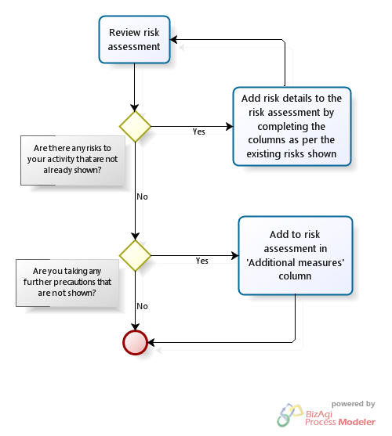

You have now completed the risk assessment.

Step 5
Make it live - The risk assessment is of no use unless you put into practice the actions you have identified to reduce the risk of things going wrong. The following principles are also very important:
Share it – risks that may affect participants must be brought to their attention. This is best done by briefing participants on the main risks – this can be verbal but is better done in written form.
Make a record – please keep written records of actions you take before, during or after the activity that affect this risk assessment. You may need to recall your actions should an adverse event occur, however, generally a brief note is all that is required to jog the memory at a later date. Remember to jot down the timing of any significant event.

Step 6
Insurance - If you did not identify any additional High or Medium level risks at Step 3, your activity will be covered. If you have identified additional risks, it is very likely that insurance cover is available, please refer to your College or Legal & Insurance Services. If you are travelling abroad, you should still complete the online travel notification form.

Finally, we are always happy to answer any queries. Please contact us by phone: 3087; or by email: insurance@exeter.ac.uk

